Hoja1
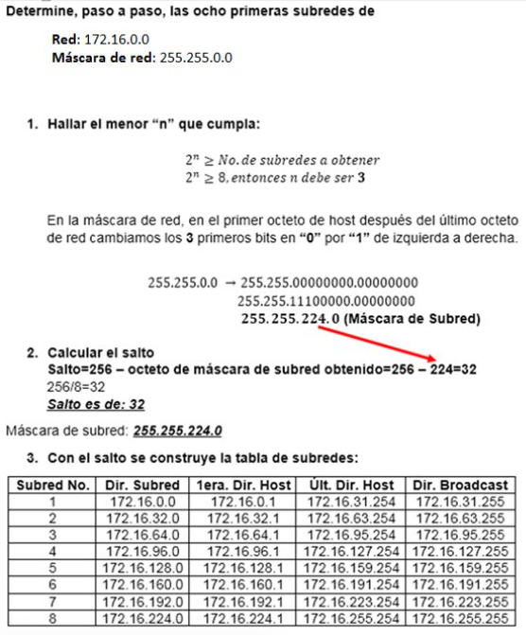

 | Red: 192.0.0.0/24
 | Mascara de red: 255.255.255.0

 | determinar 10 subredes

1. Hallar la menor "n" que cumpla

2^(4)>= 16, entonces n debe ser 4

255.255.255.0
 | 255.255.255.00000000
 | 255.255.255.11110000

 | 255,255,255,240 | (Mascara de Subred)

2. Calculo de saltos

Salto= 256- 240= 16

3. Con el salto se construye la tabla de subredes

Subred No | Dir.Subred | 1er. Dir. Host | Ult. Dir. Host | Dir Broadcast
1 | 192.0.0.0 | 192.0.0.1 | 192.0.0.14 | 192.0.0.15
2 | 192.0.0.16 | 192.0.0.17 | 192.0.0.30 | 192.0.0.31
3 | 192.0.0.32 | 192.0.0.33 | 192.0.0.46 | 192.0.0.47
4 | 192.0.0.48 | 192.0.0.49 | 192.0.0.62 | 192.0.0.63
5 | 192.0.0.64 | 192.0.0.65 | 192.0.0.78 | 192.0.0.79
6 | 192.0.0.80 | 192.0.0.81 | 192.0.0.94 | 192.0.0.95
7 | 192.0.0.96 | 192.0.0.97 | 192.0.0.110 | 192.0.0.111
8 | 192.0.0.112 | 192.0.0.113 | 192.0.0.126 | 192.0.0.127
9 | 192.0.0.128 | 192.0.0.129 | 192.0.0.142 | 192.0.0.143
10 | 192.0.0.144 | 192.0.0.145 | 192.0.0.158 | 192.0.0.159
11 | 192.0.0.160 | 192.0.0.161 | 192.0.0.174 | 192.0.0.175
12 | 192.0.0.176 | 192.0.0.177 | 192.0.0.190 | 192.0.0.191
13 | 192.0.0.192 | 192.0.0.193 | 192.0.0.206 | 192.0.0.207
14 | 192.0.0.208 | 192.0.0.209 | 192.0.0.222 | 192.0.0.223
15 | 192.0.0.224 | 192.0.0.225 | 192.0.0.238 | 192.0.0.239
16 | 192.0.0.240 | 192.0.0.241 | 192.0.0.254 | 192.0.0.255

Solo se incrementan los host

